Title Page
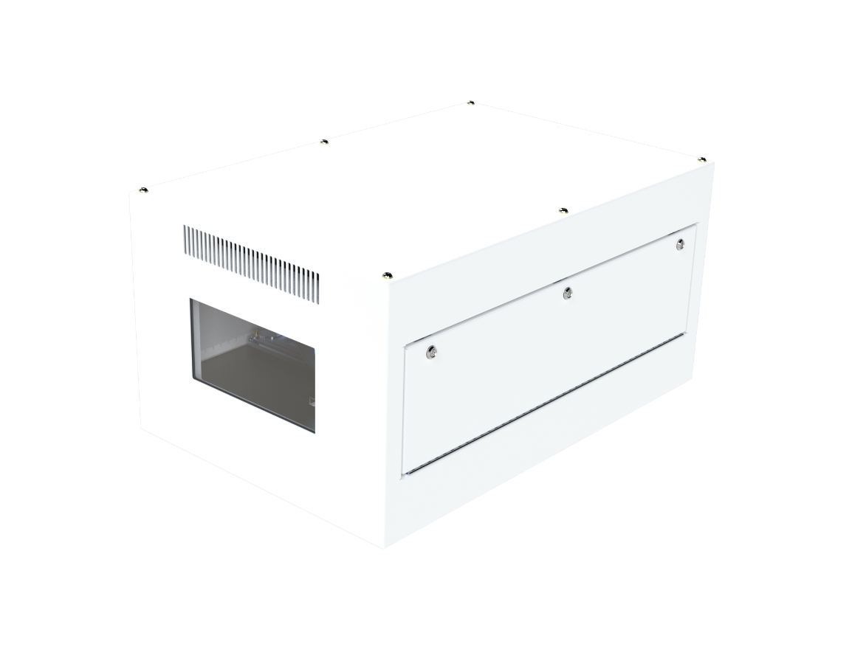
Zen Acoustic Test Data
April 2021

Zen Anechoic
Date: | 8-Apr-21

Description: | 1. Enclosure/Projector installed on an isolated table and placed in the center of the chamber.
 | 2. Microphones were placed horizontally in all four (4) cardinal directions and below at a distance of 1 m from the enclosure/projector.
 | 3. Microphone heights were aligned with the center of the enclosure/projector.
 | 4. Positions reference the orientation from the test unit (i.e. "right" is the right side of the projector when facing forward, etc.)
 | 5. The projector used was a Panasonic RZ21K WUXGA projector, at 100% light output.
 | 6. All equipment and operational modes of the equipment were as communicated by the Client

ZEN - ANECHOIC CHAMBER
Frequency | Ambient | Projector (Panasonic PT-RZ21K) |  |  |  |  | Projector in Tempest Zen 210.L Enclosure
 |  | SOUND PRESSURE LEVEL (dB) |  |  |  |  | SOUND PRESSURE LEVEL (dB)
 |  | R | F | L | B | U | R | F | L | B | U
20 | 19.4 | 20.5 | 24.0 | 25.5 | 33.5 | 25.2 | 16.18 | 21.34 | 23.04 | 19.77 | 27.08
25 | 17.8 | 30.1 | 25.4 | 33.2 | 30.3 | 25.6 | 16.93 | 22.58 | 21.85 | 22.64 | 25.93
31.5 | 13.6 | 23.7 | 20.0 | 27.0 | 26.5 | 22.8 | 17.12 | 16.05 | 18.95 | 18.13 | 25.15
40 | 17.3 | 23.2 | 22.1 | 23.5 | 25.1 | 25.3 | 24.01 | 25.77 | 31.14 | 23.71 | 28.85
50 | 12.2 | 22.0 | 21.9 | 22.7 | 25.1 | 23.5 | 26.18 | 25.5 | 28.56 | 25.4 | 30.4
63 | 16.3 | 28.3 | 24.8 | 25.0 | 26.0 | 27.8 | 25.86 | 26.43 | 29.01 | 26.06 | 31.39
80 | 15.0 | 21.7 | 24.2 | 25.3 | 26.6 | 26.1 | 23.4 | 23.46 | 26.75 | 24.27 | 30.02
100 | 7.3 | 26.1 | 29.0 | 29.0 | 30.0 | 32.1 | 22.64 | 24.27 | 22.63 | 26.9 | 28.61
125 | 8.0 | 28.4 | 32.7 | 31.8 | 33.4 | 36.2 | 25.85 | 25.01 | 24.51 | 26.43 | 28.54
160 | 1.6 | 31.4 | 33.4 | 34.1 | 36.2 | 39.3 | 28.28 | 25.57 | 28.94 | 24.23 | 27.42
200 | -1.5 | 35.9 | 34.8 | 39.2 | 38.7 | 44.3 | 29.45 | 22.49 | 29.64 | 26.78 | 30.31
250 | -1.2 | 36.3 | 35.4 | 40.4 | 40.1 | 46.3 | 29.71 | 24.8 | 28.33 | 27.31 | 29.57
315 | -1.7 | 32.5 | 36.0 | 39.5 | 35.6 | 40.5 | 25.82 | 22.52 | 28.87 | 23.31 | 22.41
400 | -1.1 | 29.8 | 35.7 | 38.5 | 36.9 | 38.7 | 21.87 | 18.66 | 24.85 | 19.91 | 18.2
500 | -0.4 | 33.4 | 36.9 | 38.9 | 37.8 | 41.8 | 18.44 | 16.8 | 21.87 | 13.96 | 18.38
630 | -0.1 | 33.0 | 36.5 | 37.7 | 36.3 | 42.2 | 13.05 | 14.25 | 19.21 | 11.45 | 22.03
800 | 0.6 | 30.6 | 35.0 | 38.5 | 35.7 | 39.3 | 11.73 | 11.25 | 19.27 | 9.42 | 12.85
1000 | 1.3 | 32.7 | 34.0 | 38.9 | 36.5 | 37.3 | 9.87 | 6.93 | 16.13 | 7.17 | 12.42
1250 | 1.9 | 28.6 | 32.0 | 37.9 | 35.4 | 37.0 | 9.07 | 4.53 | 13.71 | 5.08 | 9.22
1600 | 3.9 | 27.7 | 31.9 | 35.0 | 33.1 | 32.7 | 6.8 | 3.56 | 10.5 | 6.46 | 7.05
2000 | 3.4 | 25.5 | 28.1 | 33.0 | 31.2 | 30.0 | 6.42 | 3.61 | 9.38 | 4.83 | 7.27
2500 | 4.3 | 27.0 | 29.3 | 33.7 | 34.3 | 36.9 | 6.13 | 4.44 | 8.34 | 5.76 | 8.54
3150 | 5.2 | 23.0 | 28.4 | 31.5 | 31.2 | 32.5 | 6.41 | 5.11 | 8.32 | 5.84 | 7.22
4000 | 6.2 | 15.0 | 23.0 | 25.7 | 25.4 | 22.0 | 6.9 | 5.57 | 7.65 | 6.67 | 7.21
5000 | 7.0 | 12.1 | 18.4 | 21.9 | 23.5 | 18.5 | 7.54 | 6.32 | 7.17 | 7.36 | 7.54
6300 | 7.6 | 10.7 | 14.7 | 21.4 | 19.9 | 15.9 | 8.07 | 6.88 | 7.59 | 7.82 | 7.98
8000 | 7.9 | 9.8 | 11.5 | 17.9 | 16.4 | 13.2 | 8.37 | 7.05 | 7.97 | 8.1 | 8.23
10000 | 8.0 | 9.8 | 9.8 | 15.8 | 16.9 | 12.4 | 8.5 | 7.19 | 8.1 | 8.16 | 8.29
12500 | 8.0 | 9.4 | 11.1 | 12.8 | 15.1 | 9.9 | 8.54 | 7.23 | 8.05 | 8.17 | 8.24
16000 | 8.1 | 9.7 | 9.5 | 13.3 | 17.6 | 10.0 | 8.62 | 7.1 | 8.06 | 8.2 | 8.25
20000 | 8.7 | 12.2 | 12.9 | 24.1 | 25.1 | 12.9 | 8.87 | 7.19 | 8.23 | 8.43 | 8.44
dBA | 17.0 | 39.9 | 43.1 | 46.7 | 45.1 | 48.0 | 27.12 | 23.95 | 29.20 | 24.95 | 27.61
dBA (Avg) | 17.0 | 45.38 |  |  |  |  | 26.73
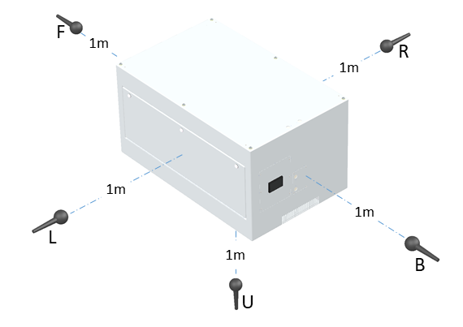
Microphone Locations

R | 1m right of unit under test
F | 1m in front of unit under test
L | 1m left of unit under test
B | 1m behind unit under test
U | 1m below unit under test

