Title Page
Zen Acoustic Test Data
April 2021

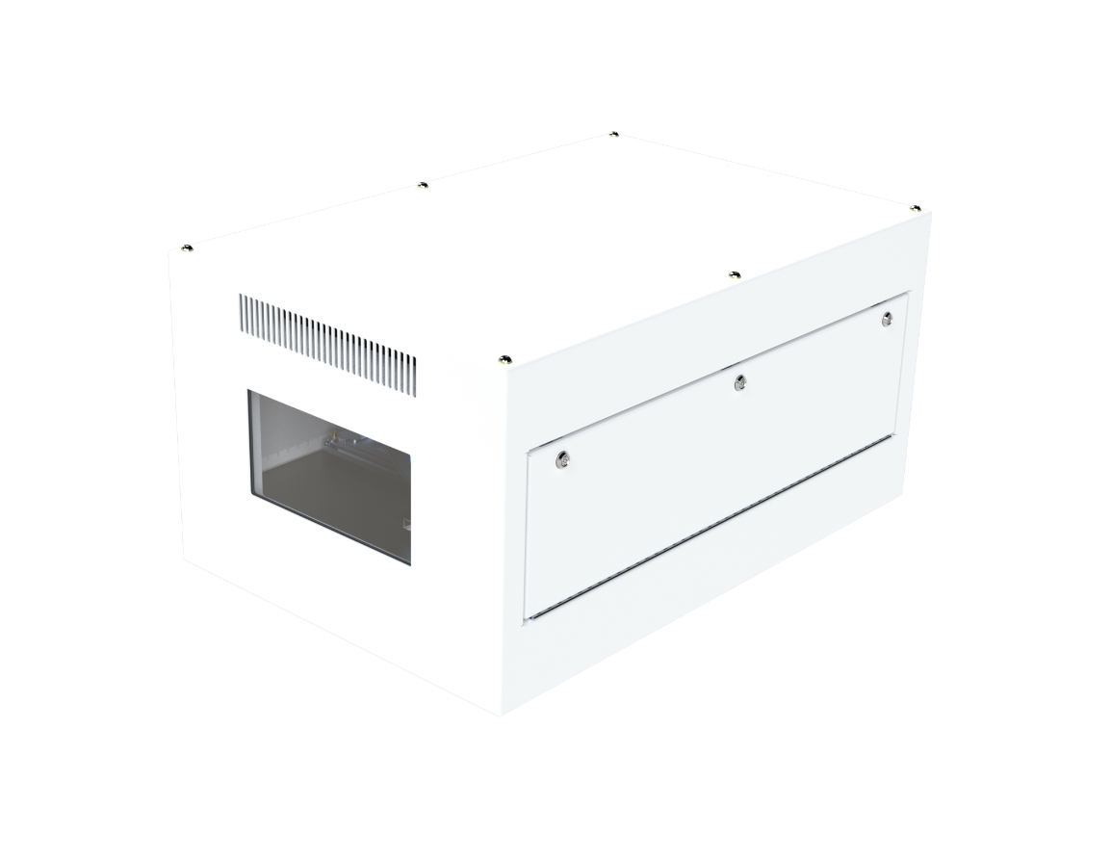

Check out the TABS at the foot of this page!

Zen Anechoic
Date: | 8-Apr-21

Description: | 1. Enclosure/Projector installed on an isolated table and placed in the center of the chamber.
 | 2. Microphones were placed horizontally in all four (4) cardinal directions and below at a distance of 1 m from the enclosure/projector.
 | 3. Microphone heights were aligned with the center of the enclosure/projector.
 | 4. Positions reference the orientation from the test unit (i.e. "right" is the right side of the projector when facing forward, etc.)
 | 5. The projector used was a Panasonic RZ21K WUXGA projector, at 100% light output.
 | 6. All equipment and operational modes of the equipment were as communicated by the Client

ZEN - ANECHOIC CHAMBER
Frequency | Ambient | Projector (Panasonic PT-RZ21K) |  |  |  |  | Projector in Tempest Zen 210.L Enclosure
 |  | SOUND PRESSURE LEVEL (dB) |  |  |  |  | SOUND PRESSURE LEVEL (dB)
 |  | R | F | L | B | U | R | F | L | B | U
20 | 19.4 | 20.5 | 24.0 | 25.5 | 33.5 | 25.2 | 19.82 | 22.42 | 25.61 | 22.95 | 29.62
25 | 17.8 | 30.1 | 25.4 | 33.2 | 30.3 | 25.6 | 26.23 | 29.75 | 36.51 | 37.82 | 40.43
31.5 | 13.6 | 23.7 | 20.0 | 27.0 | 26.5 | 22.8 | 25.23 | 19.97 | 26.76 | 24.81 | 30.07
40 | 17.3 | 23.2 | 22.1 | 23.5 | 25.1 | 25.3 | 27.8 | 26.53 | 28.92 | 24.5 | 28.32
50 | 12.2 | 22.0 | 21.9 | 22.7 | 25.1 | 23.5 | 26.29 | 25.64 | 26.66 | 25.21 | 27.9
63 | 16.3 | 28.3 | 24.8 | 25.0 | 26.0 | 27.8 | 30.08 | 27.4 | 28.49 | 29.24 | 32.5
80 | 15.0 | 21.7 | 24.2 | 25.3 | 26.6 | 26.1 | 25.64 | 25.04 | 24.97 | 26.25 | 29.66
100 | 7.3 | 26.1 | 29.0 | 29.0 | 30.0 | 32.1 | 25.25 | 25.94 | 21.96 | 26.93 | 29.43
125 | 8.0 | 28.4 | 32.7 | 31.8 | 33.4 | 36.2 | 27.39 | 26.82 | 26.48 | 27.34 | 29.37
160 | 1.6 | 31.4 | 33.4 | 34.1 | 36.2 | 39.3 | 30.04 | 28.69 | 30.49 | 26.61 | 28.44
200 | -1.5 | 35.9 | 34.8 | 39.2 | 38.7 | 44.3 | 30.42 | 25.64 | 33.8 | 26.84 | 30.27
250 | -1.2 | 36.3 | 35.4 | 40.4 | 40.1 | 46.3 | 26.34 | 25.98 | 27.35 | 23.95 | 25.61
315 | -1.7 | 32.5 | 36.0 | 39.5 | 35.6 | 40.5 | 22 | 22.88 | 25.81 | 19.58 | 20.11
400 | -1.1 | 29.8 | 35.7 | 38.5 | 36.9 | 38.7 | 19.93 | 20.71 | 21.57 | 17.78 | 18.61
500 | -0.4 | 33.4 | 36.9 | 38.9 | 37.8 | 41.8 | 25.85 | 19.32 | 20.15 | 16.92 | 23.99
630 | -0.1 | 33.0 | 36.5 | 37.7 | 36.3 | 42.2 | 16.83 | 14.44 | 18.11 | 13.27 | 17.39
800 | 0.6 | 30.6 | 35.0 | 38.5 | 35.7 | 39.3 | 11.01 | 8.54 | 14.52 | 10.42 | 12.15
1000 | 1.3 | 32.7 | 34.0 | 38.9 | 36.5 | 37.3 | 11.61 | 5.37 | 13.34 | 9.38 | 9.68
1250 | 1.9 | 28.6 | 32.0 | 37.9 | 35.4 | 37.0 | 8.5 | 4 | 10.31 | 6.67 | 8.06
1600 | 3.9 | 27.7 | 31.9 | 35.0 | 33.1 | 32.7 | 6.44 | 3.86 | 7.96 | 6.44 | 5.62
2000 | 3.4 | 25.5 | 28.1 | 33.0 | 31.2 | 30.0 | 5.24 | 3.36 | 5.52 | 5.97 | 4.77
2500 | 4.3 | 27.0 | 29.3 | 33.7 | 34.3 | 36.9 | 5.72 | 4.06 | 5.35 | 6.3 | 5.3
3150 | 5.2 | 23.0 | 28.4 | 31.5 | 31.2 | 32.5 | 6.11 | 4.99 | 5.86 | 5.95 | 5.72
4000 | 6.2 | 15.0 | 23.0 | 25.7 | 25.4 | 22.0 | 6.84 | 5.54 | 6.44 | 6.55 | 6.65
5000 | 7.0 | 12.1 | 18.4 | 21.9 | 23.5 | 18.5 | 7.53 | 6.31 | 7.02 | 7.27 | 7.34
6300 | 7.6 | 10.7 | 14.7 | 21.4 | 19.9 | 15.9 | 8.22 | 6.9 | 7.49 | 7.78 | 7.87
8000 | 7.9 | 9.8 | 11.5 | 17.9 | 16.4 | 13.2 | 8.38 | 7.03 | 7.77 | 8.08 | 8.13
10000 | 8.0 | 9.8 | 9.8 | 15.8 | 16.9 | 12.4 | 8.52 | 7.21 | 7.91 | 8.18 | 8.22
12500 | 8.0 | 9.4 | 11.1 | 12.8 | 15.1 | 9.9 | 8.52 | 7.23 | 7.95 | 8.15 | 8.21
16000 | 8.1 | 9.7 | 9.5 | 13.3 | 17.6 | 10.0 | 8.62 | 7.13 | 8.03 | 8.2 | 8.22
20000 | 8.7 | 12.2 | 12.9 | 24.1 | 25.1 | 12.9 | 8.88 | 7.17 | 8.24 | 8.41 | 8.4
dBA | 17.0 | 39.9 | 43.1 | 46.7 | 45.1 | 42.0 | 27.69 | 25.18 | 28.26 | 24.34 | 22.40
dBA (Avg) | 17.0 | 44.01 |  |  |  |  | 26.09
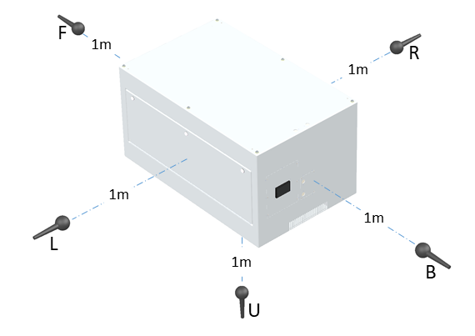
Microphone Locations

R | 1m right of unit under test
F | 1m in front of unit under test
L | 1m left of unit under test
B | 1m behind unit under test
U | 1m below unit under test

